References
Indicator | Weight |  | World Governance Indicators (WGI) 2022 |  |  |  |  |  |  |  |  |  |  | Notes:
Lifespan of the reserves (years) | 15% | Country | w1 | w2 | w3 | w4 | w5 | w6 | WGI | WGI Score | Distance Score | RGI | RGI Score | w1 | Voice and Accountability
HHI | 30% | Australia | 0.9324 | 0.8160 | 0.9292 | 0.9953 | 0.9104 | 0.9528 | 0.9219 | 1 | 1.00 | 71 | 2 | w2 | Political Stability and Absence of Violence/Terrorism
Import dependency ratio | 15% | Austria | 0.9420 | 0.6840 | 0.9151 | 0.8726 | 0.9575 | 0.8491 | 0.8677 | 1 | 2.00 | na | 1 | w3 | Government Effectiveness
Distance | 5% | Belarus | 0.0531 | 0.1792 | 0.2075 | 0.0755 | 0.1179 | 0.3160 | 0.1549 | 3 | 2.00 | na | 1 | w4 | Regulatory Quality
WGI | 25% | Bahrain | 0.1014 | 0.3066 | 0.7217 | 0.7830 | 0.6509 | 0.5943 | 0.5052 | 2 | 1.00 | 39 | 4 | w5 | Rule of Law
RGI | 10% | Brazil | 0.5556 | 0.3396 | 0.3066 | 0.4387 | 0.4340 | 0.3208 | 0.3965 | 3 | 2.00 | 71 | 2 | w6 | Control of Corruption
 | 100% | Belgium | 0.9275 | 0.6557 | 0.8491 | 0.8679 | 0.8821 | 0.8962 | 0.8442 | 1 | 2.00 | na | 1
 |  | Canada | 0.9565 | 0.7358 | 0.9434 | 0.9575 | 0.9292 | 0.9340 | 0.9077 | 1 | 2.00 | na | 1
Lifespan of the reserves (years) | Score | Chile | 0.7826 | 0.5142 | 0.6934 | 0.8113 | 0.7264 | 0.8066 | 0.7192 | 1 | 2.00 | 81 | 1
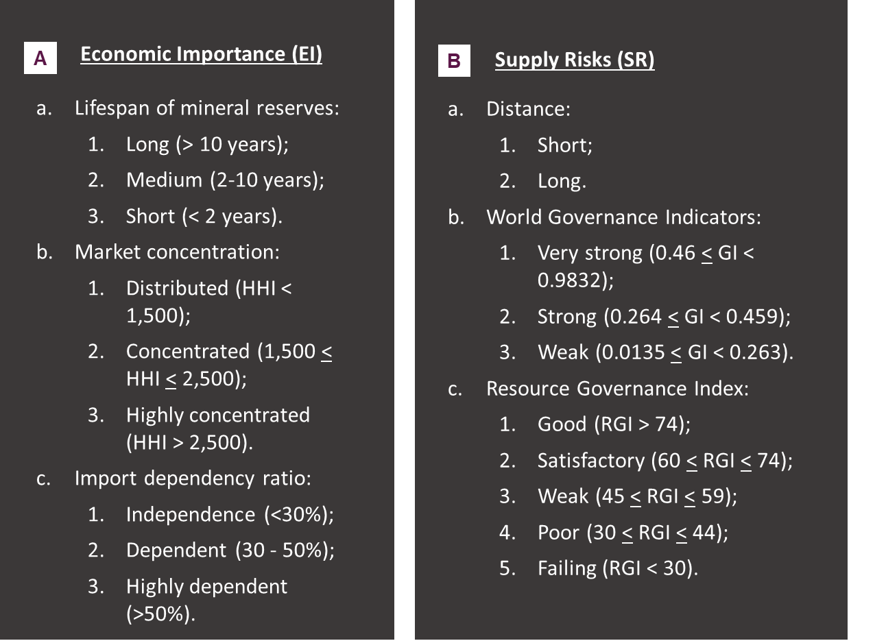
10 | 1 | China | 0.0628 | 0.2830 | 0.6840 | 0.3679 | 0.5283 | 0.5519 | 0.3975 | 3 | 1.00 | 55 | 3
2-10 | 2 | Croatia | 0.6667 | 0.6934 | 0.7028 | 0.6840 | 0.6085 | 0.5991 | 0.6586 | 2 | 2.00 | na | 1
2 | 3 | Czech Republic | 0.8116 | 0.7500 | 0.8113 | 0.8868 | 0.8349 | 0.7453 | 0.8060 | 1 | 2.00 | na | 1
 |  | Denmark | 0.9807 | 0.7689 | 0.9858 | 0.9858 | 0.9953 | 1.0000 | 0.9509 | 1 | 2.00 | na | 1
HHI | Score | Eswatini | 0.1498 | 0.3962 | 0.2311 | 0.2358 | 0.2594 | 0.2500 | 0.2517 | 3 | 2.00 | na | 1
1500 | 1 | Faeroe Islands | 0.9807 | 0.7689 | 0.9858 | 0.9858 | 0.9953 | 1.0000 | 0.9509 | 1 | 2.00 | na | 1
1,500 - 2,500 | 2 | Colombia | 0.5459 | 0.2311 | 0.5377 | 0.5660 | 0.3868 | 0.4104 | 0.4413 | 3 | 2.00 | 71 | 2
2500 | 3 | Congo | 0.1691 | 0.0613 | 0.0330 | 0.0566 | 0.0425 | 0.0330 | 0.0649 | 3 | 2.00 | 65 | 2
 |  | European Union | 0.7921 | 0.6272 | 0.7594 | 0.7695 | 0.7545 | 0.7504 | 0.7413 | 1 | 2.00 | 71 | 2
Import dependency ratio | Score | Finland | 0.9855 | 0.7972 | 0.9670 | 0.9717 | 1.0000 | 0.9953 | 0.9514 | 1 | 2.00 | na | 1
30% | 1 | France | 0.8599 | 0.5613 | 0.8302 | 0.8538 | 0.8538 | 0.8538 | 0.7986 | 1 | 2.00 | na | 1
30 - 50% | 2 | Germany | 0.9469 | 0.6745 | 0.8821 | 0.9245 | 0.9198 | 0.9575 | 0.8816 | 1 | 2.00 | na | 1
50% | 3 | Greece | 0.7778 | 0.5000 | 0.6698 | 0.6745 | 0.5943 | 0.5660 | 0.6280 | 2 | 2.00 | na | 1
 |  | Guatemala | 0.3382 | 0.3679 | 0.1651 | 0.4151 | 0.1321 | 0.1132 | 0.2494 | 3 | 2.00 | 41 | 4
WGI | Score | Guyana | 0.5507 | 0.4717 | 0.4340 | 0.3255 | 0.4104 | 0.4528 | 0.4392 | 3 | 2.00 | 56 | 3
0.7 | 1 | Hong Kong, China | 0.3527 | 0.6651 | 0.9575 | 0.9387 | 0.8774 | 0.9245 | 0.7713 | 1 | 1.00 | na | 1
0.46 - 0.7 | 2 | Hungary | 0.5990 | 0.6981 | 0.6887 | 0.6462 | 0.6321 | 0.5142 | 0.6285 | 2 | 2.00 | na | 1
0.46 | 3 | India | 0.4928 | 0.2453 | 0.6321 | 0.5094 | 0.5519 | 0.4434 | 0.4740 | 2 | 1.00 | 70 | 2
 |  | Indonesia | 0.5266 | 0.2925 | 0.6604 | 0.5943 | 0.4528 | 0.3774 | 0.4786 | 2 | 1.00 | 68 | 2
 |  | Israel | 0.6812 | 0.1226 | 0.8538 | 0.8632 | 0.8066 | 0.7877 | 0.6617 | 2 | 1.00 | na | 1
RGI | Score | Italy | 0.8309 | 0.6038 | 0.6745 | 0.6887 | 0.5849 | 0.6887 | 0.6767 | 2 | 2.00 | na | 1
75 | 1 | Japan | 0.8019 | 0.8679 | 0.9623 | 0.9151 | 0.9245 | 0.9057 | 0.8956 | 1 | 1.00 | na | 1
60 | 2 | Korea, Rep. | 0.7488 | 0.6462 | 0.9009 | 0.8396 | 0.8491 | 0.7689 | 0.7903 | 1 | 1.00 | na | 1
45 | 3 | Madagascar | 0.3816 | 0.2594 | 0.1462 | 0.2075 | 0.1840 | 0.1792 | 0.2240 | 3 | 2.00 | 36 | 4
30 | 4 | Lao PDR | 0.0483 | 0.7406 | 0.3019 | 0.1604 | 0.2358 | 0.1981 | 0.2642 | 3 | 1.00 | 38 | 4
0 | 5 | Malaysia | 0.4734 | 0.5189 | 0.7925 | 0.7264 | 0.6840 | 0.6226 | 0.6324 | 2 | 1.00 | 56 | 3
 |  | Mexico | 0.4203 | 0.2028 | 0.4198 | 0.4670 | 0.2075 | 0.1745 | 0.3097 | 3 | 2.00 | 59 | 3
Criticality level | Results | Mauritius | 0.6618 | 0.7594 | 0.7642 | 0.8443 | 0.7736 | 0.6557 | 0.7419 | 1 | 2.00 | na | 1
0.5 | Critical | Netherlands | 0.9758 | 0.7075 | 0.9528 | 0.9670 | 0.9340 | 0.9670 | 0.9149 | 1 | 2.00 | na | 1
<.5 | Not critical | New Zealand | 0.9952 | 0.9623 | 0.8915 | 0.9906 | 0.9670 | 0.9906 | 0.9658 | 1 | 2.00 | na | 1
 |  | Norway | 1.0000 | 0.7642 | 0.9811 | 0.9198 | 0.9811 | 0.9811 | 0.9361 | 1 | 2.00 | 86 | 1
 |  | Oman | 0.1787 | 0.6274 | 0.5425 | 0.6557 | 0.6651 | 0.5755 | 0.5305 | 2 | 1.00 | 50 | 3
 |  | Pakistan | 0.2464 | 0.0660 | 0.2925 | 0.2028 | 0.2500 | 0.2264 | 0.2118 | 3 | 1.00 | na | 1
 |  | Philippines | 0.4396 | 0.2028 | 0.5613 | 0.5377 | 0.3349 | 0.3349 | 0.3962 | 3 | 1.00 | 58 | 3
 |  | Poland | 0.6522 | 0.6179 | 0.6179 | 0.7453 | 0.6415 | 0.6840 | 0.6592 | 2 | 2.00 | na | 1
 |  | Portugal | 0.8937 | 0.7453 | 0.8019 | 0.7500 | 0.8396 | 0.7594 | 0.7975 | 1 | 2.00 | na | 1
 |  | Peru | 0.4976 | 0.2783 | 0.3538 | 0.5991 | 0.3255 | 0.2217 | 0.3734 | 3 | 2.00 | 75 | 1
 |  | Qatar | 0.2077 | 0.8208 | 0.8255 | 0.7736 | 0.7925 | 0.7925 | 0.6848 | 2 | 1.00 | 45 | 3
 |  | Romania | 0.6329 | 0.5896 | 0.5236 | 0.6368 | 0.6226 | 0.5566 | 0.5931 | 2 | 2.00 | na | 1
 |  | Saudi Arabia | 0.0773 | 0.3443 | 0.7075 | 0.6509 | 0.5802 | 0.6368 | 0.4812 | 2 | 1.00 | - | 5
 |  | Sierra Leone | 0.4106 | 0.4528 | 0.1132 | 0.1509 | 0.2264 | 0.3302 | 0.2744 | 3 | 2.00 | - | 5
 |  | Singapore | 0.4444 | 0.9717 | 1.0000 | 1.0000 | 0.9906 | 0.9858 | 0.8862 | 1 | 1.00 | na | 1
 |  | Slovak Republic | 0.7585 | 0.5943 | 0.6368 | 0.7689 | 0.6981 | 0.6038 | 0.6753 | 2 | 2.00 | na | 1
 |  | Slovenia | 0.7826 | 0.7028 | 0.8066 | 0.7358 | 0.8255 | 0.7830 | 0.7722 | 1 | 2.00 | na | 1
 |  | Spain | 0.7971 | 0.5330 | 0.7783 | 0.7594 | 0.7736 | 0.7500 | 0.7294 | 1 | 2.00 | na | 1
 |  | South Africa | 0.6860 | 0.1981 | 0.4811 | 0.4434 | 0.5425 | 0.4481 | 0.4590 | 3 | 2.00 | 57 | 3
 |  | Sri Lanka | 0.3913 | 0.1745 | 0.3585 | 0.2736 | 0.5236 | 0.4009 | 0.3493 | 3 | 1.00 | na | 1
 |  | Sweden | 0.9662 | 0.8019 | 0.9481 | 0.9623 | 0.9387 | 0.9764 | 0.9313 | 1 | 2.00 | na | 1
 |  | Switzerland | 0.9903 | 0.9245 | 0.9953 | 0.9434 | 0.9764 | 0.9717 | 0.9668 | 1 | 2.00 | na | 1
 |  | Thailand | 0.3140 | 0.3160 | 0.5802 | 0.5849 | 0.5472 | 0.3585 | 0.4450 | 3 | 1.00 | na | 1
 |  | Tunisia | 0.3860 | 0.2450 | 0.4340 | 0.3730 | 0.4950 | 0.4530 | 0.3953 | 3 | 2.00 | 50 | 3
 |  | Turkey | 0.2319 | 0.1368 | 0.4387 | 0.4340 | 0.3679 | 0.3491 | 0.3217 | 3 | 1.00 | na | 1
 |  | Ukraine | 0.4589 | 0.0566 | 0.3302 | 0.4057 | 0.1887 | 0.2925 | 0.2815 | 3 | 2.00 | 49 | 3
 |  | United Arab Emirates | 0.1836 | 0.7170 | 0.8868 | 0.8208 | 0.7877 | 0.8349 | 0.6852 | 2 | 1.00 | 42 | 4
 |  | United Kingdom | 0.8937 | 0.6226 | 0.8585 | 0.9340 | 0.8915 | 0.9292 | 0.8516 | 1 | 2.00 | 77 | 1
 |  | United States | 0.7295 | 0.4528 | 0.8679 | 0.9104 | 0.8868 | 0.8255 | 0.7713 | 1 | 2.00 | 74 | 2
 |  | Vietnam | 0.1353 | 0.4575 | 0.5943 | 0.3632 | 0.4764 | 0.4575 | 0.4064 | 3 | 1.00 | 48 | 3
 |  | Other | 0.5852 | 0.5197 | 0.6625 | 0.6630 | 0.6407 | 0.6237 | 0.6150 | 2 | 2.00 | 55 | 3
 |  | Other Asia, nes | 0.3169 | 0.4328 | 0.6646 | 0.6040 | 0.5976 | 0.5611 | 0.5247 | 2 | 1.00 | 47 | 3

